GK Pricer
Legend | User input |  | Valuation model inputs
 |  |  | Field | Value | Units |  | Result Currency | DOM
 |  |  | CP (call/put flag) | 1 | {1,-1} |  | Result/Domestic FX spot rate | 1.000
 |  |  | S0 | 0.66290 | FOR/DOM |  | Result/Notional FX spot rate | 0.663
 |  |  | K | 0.7882 | FOR/DOM
Core / vanilla contractual inputs |  |  | rdomestic currency | 5.381% | [%] |  | Vanilla European option results
Field | Value | Units | rforeign currency | 4.660% | [%] |  | Results | Value | Units
Buy/Sell perspective | Buy |  | σ | 9.81188% | [%] |  | Option Value | 1,292 | DOM
Strike | 0.7882 | FOR/DOM | T (years to expiry) | 1.00957592 | [Years] |  | Option Value Monte Carlo | 1,293 | DOM
 |  |  | F | 0.66796 | FOR/DOM |  | Δspot (spot delta) | 32,405 | DOM
Call/Put perspective | Call FOR, Put DOM |  | rdomestic currency basis adjusted | 5.4135% | [%] |  | Δforward (forward delta) | 33,966 | DOM
Expiry Date | 3-Jul-2024 | [Date] | Foreign Currency Notional | 1,000,000 |  |  | Vega | 668 | DOM
Notional amount | 1,000,000 | [$] | Domestic Currency Notional | 788,200 |  |  | Theta | (9) | DOM
Notional currency | FOR |  | r | 5.38% | [%] |  | Gamma | 6,746 | DOM
 |  |  | q | 4.66% | [%] |  | Rhoforeign currency | (327) | DOM
Methodology | By Interest Rate Parity |  | μ | 0.72% | [%] |  | Rhodomestic currency | (264) | DOM

Exotic contractual inputs |  |  | Vanilla option helpers |  |  |  | European digital option results
Field | Value | Units | Field | Value |  |  | Results in Notional Currency | Value | Units
Barrier | 0.6563 | FOR/DOM | d1 | -1.6330 |  |  | Option Value | 32,405 | DOM
 |  |  | d2 | -1.7315 |  |  | Option Value Monte Carlo | 39,783 | DOM
Valuation inputs
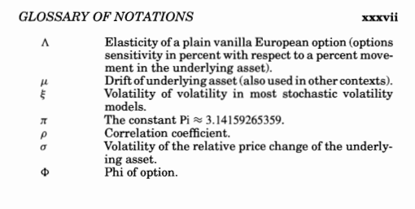
Field | Value | Units | Vanilla European option pricing and analytical greeks
Valuation Date | 30-Jun-2023 |  | Field | by IR Parity | Units
FX spot price | 0.66290 | FOR/DOM | Price (in the domestic currency, per 1 unit of foreign currency notional) | 0.12923% | DOM
FX forward rate | 0.66796 | FOR/DOM | Δspot (spot delta) | 4.8884% | FOR
Volatility | 9.81188% | [%] | Δforward (forward delta) | 5.1239% | FOR
Foreign currency interest rate | 4.6600% | [%] | Vega (normalised to 1% change in volatility) | 0.0668% | DOM
Domestic currency interest rate | 5.3810% | [%] | Theta (normalised to 1 day) | -0.000928% | DOM
 |  |  | Gamma (normalised to 1% change in spot price) | 1.0177% | FOR
 |  |  | Rhoforeign currency (normalised to 1% change in the foreign currency interest rate) | -0.0327% | DOM
 |  |  | Rhodomestic currency (normalised to 1% change in the foreign currency interest rate) | -0.0264% | DOM

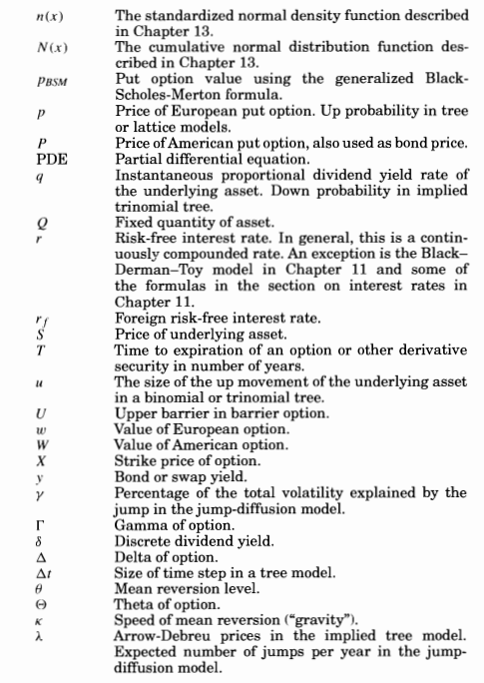
 |  |  | European digital option pricing
 |  |  | Field | Field | Units
 |  |  | % in-the-money | 5.12% | [%]
 |  |  | Discount Factor | 0.9540
 |  |  | Price in notional currency | 48,884 | FOR
 |  |  | Price in domestic currency | 32,405 | DOM
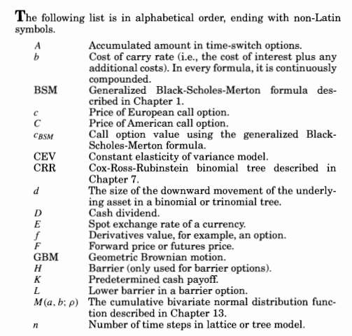

 |  |  | IN PROGRESS
 |  |  | Barrier option helpers | by IR Parity | Units
 |  |  | d1 | 0.2251
 |  |  | d2 | 0.1265
 |  |  | d3 | 0.0212
 |  |  | d4 | -0.0774
 |  |  | H | 0.6563 | FOR/DOM

 |  |  | Down and In | -0.06477093317 |  | DOM

 |  |  |  | by IR Parity | with FCB | Units
 |  |  |  | 0.0012922593417 |  | DOM

